Survey Sheet
Global appearance of the Structure |  |  | ID | 1
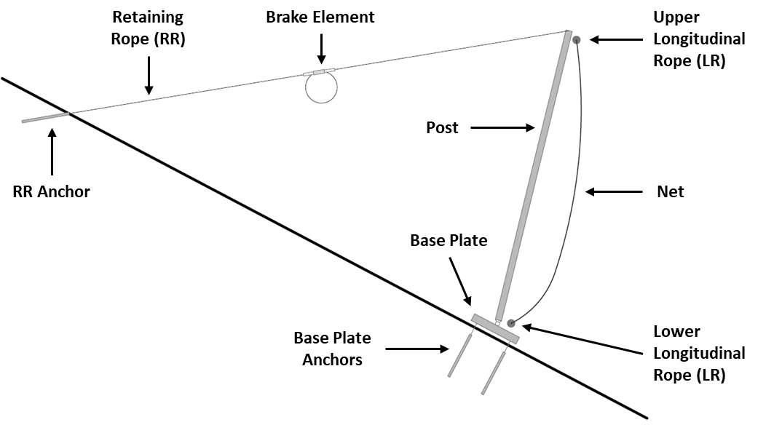

 | Post height (h) | 4 | m

 | Post Spacing (as) | 6 | m

 | N° of net panels | 10

Primary net

Primary net
Type | RHOMBOHEDRAL |  | Types: RHOMBOHEDRAL, HEXAGONAL or interlocking RINGS

 | fwire | mm | 8

 | dnet ring | mm | 300

Component | Check | Value (0-2) | Guidance | N° of panels or elements
Primary net | Presence of blocks/twigs/logs in the net | 1 | 0) twigs < 0.15 m; 1) logs < 0.3 m; 2) logs > 0.3 m.
 |  |  | 0) block max size < 0.25 m; 1) < 0.5 m; 2) ≥ 0.5 m.
 | Widening of the net rings or laceration | 2 | 0) no damage; 1) widening; 2) laceration.
 | Global deformation of the net panel | 2 | Net height reduction: 0) < 10% nominal height; 1) < 25% nominal height; 2) ≥ 25% nominal height.
 | Presence of rusty, corroded, damaged portions of the net | 1 | 0) none; 1) local; 2) widespread.
 | Disconnection/absence of the binding elements between net panels | 0 | 0) none; 1) local; 2) widespread.
 | Damaged/broken rope-net connections | 0 | 0) none; 1) damaged; 2) broken.

Component | Check | Value (0-2) | Guidance | N° of panels or elements
Secondary net | Presence of rusty, corroded, damaged or torn apart portions of the net |  | 0) none; 1) local; 2) widespread.

 | If present, indicate YES; otherwise, NO. | NO

Posts
Type | BEAM |  | Write BEAM or TUBULAR
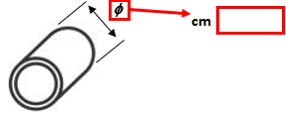
l cm

side length (l) of square tubular posts

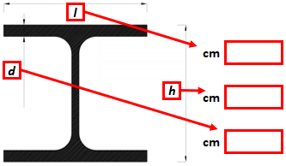

 |  | 19

 |  | 19.5

 |  | 1

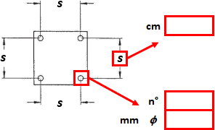

 |  | 35

 |  | 4

 |  | 20

Component | Check | Value (0-2) | Guidance | N° of panels or elements
Posts | Presence of rust or corrosion on posts, base plates or foundations | 2 | 0) none; 1) local; 2) widespread.
 | Deformation, rotation (with respect to the other posts) or failure of the post | 2 | Rotation on the upslope-downslope plane: 0) none; 1) visible; 2) significant.
 |  |  | Displacement on the structure plane: 0) none; 1) visible; 2) significant.
 | Deformation of the anchoring system, of the hinge and of the post-base plate connection | 2 | Anchors slippage: 0) none; 1)deformed; 2) broken or pulled out.

Ropes
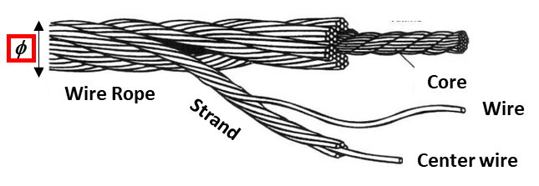
 |  | mm
 | Longitudinal Ropes (LR)

 | Retaining Ropes (RR) | 15

 | Other Ropes (OR)

Component | Check | Value (0-2) | Guidance | N° of panels or elements
Longitudinal Ropes (LR) | Damage level of the ropes |  | 0) none; 1) partial; 2) complete.
 | Slack or excessively stretched ropes |  | 0) none; 1) slightly slack or stretched; 2) significantly slack or stretched.
 | Damage of the post-rope connection and detachment of the retaining systems |  | 0) none; 1) one; 2) more than one.
 | Presence of rusty, corroded, damaged portions of the rope |  | 0) none; 1) local; 2) widespread.
 | Detachment/damage level of anchors |  | 0) none; 1) deformed anchors; 2) broken or pulled out anchors.
 | Detachment/absence of joining elements |  | 0) none; 1) local; 2) widespread.

 | If present, indicate YES; otherwise, NO. | NO

Component | Check | Value (0-2) | Guidance | N° of panels or elements
LR Brakes | Presence of vegetation/debris or anything that might impede the proper functioning of the elements |  | 0) none; 1) marginal; 2) significant.
 | Evidence of brake activation |  | 0) none; 1) partial; 2) complete.
 | Presence of rusty, corroded, damaged portions of the brakes |  | 0) none; 1) local; 2) widespread.

 | If present, indicate YES; otherwise, NO. | NO

Component | Check | Value (0-2) | Guidance | N° of panels or elements
Retaining Ropes (RR) | Damage level of the ropes | 0 | 0) none; 1) partial; 2) complete.
 | Slack or excessively stretched ropes | 2 | 0) none; 1) slightly slack or stretched; 2) significantly slack or stretched.
 | Damage of the post-rope connection and detachment of the retaining systems | 0 | 0) none; 1) one; 2) more than one.
 | Presence of rusty, corroded, damaged portions of the rope | 1 | 0) none; 1) local; 2) widespread.
 | Detachment/damage level of anchors | 2 | 0) none; 1) deformed anchors; 2) broken or pulled out anchors.
 | Detachment/absence of joining elements | 0 | 0) none; 1) local; 2) widespread.

 | If present, indicate YES; otherwise, NO. | YES

Component | Check | Value (0-2) | Guidance | N° of panels or elements
RR Brakes | Presence of vegetation/debris or anything that might impede the proper functioning of the elements | 0 | 0) none; 1) marginal; 2) significant.
 | Evidence of brake activation | 2 | 0) none; 1) partial; 2) complete.
 | Presence of rusty, corroded, damaged portions of the brakes | 1 | 0) none; 1) local; 2) widespread.

 | If present, indicate YES; otherwise, NO. | YES

Component | Check | Value (0-2) | Guidance | N° of panels or elements
Other Ropes (OR) | Damage level of the ropes |  | 0) none; 1) partial; 2) complete.
 | Slack or excessively stretched ropes |  | 0) none; 1) slightly slack or stretched; 2) significantly slack or stretched.
 | Damage of the post-rope connection and detachment of the retaining systems |  | 0) none; 1) one; 2) more than one.
 | Presence of rusty, corroded, damaged portions of the rope |  | 0) none; 1) local; 2) widespread.
 | Detachment/damage level of anchors |  | 0) none; 1) deformed anchors; 2) broken or pulled out anchors.
 | Detachment/absence of joining elements |  | 0) none; 1) local; 2) widespread.

 | If present, indicate YES; otherwise, NO. | NO

Component | Check | Value (0-2) | Guidance | N° of panels or elements
OR Brakes | Presence of vegetation/debris or anything that might impede the proper functioning of the elements |  | 0) none; 1) marginal; 2) significant.
 | Evidence of brake activation |  | 0) none; 1) partial; 2) complete.
 | Presence of rusty, corroded, damaged portions of the brakes |  | 0) none; 1) local; 2) widespread.

 | If present, indicate YES; otherwise, NO. | NO

Global appearance

Component | Check | Value (0-2) | Guidance | N° of panels or elements
Access to the structure | Presence of trees, bushes and shrubs impeding access to the structure | 0 | 0) none; 1) marginal; 2) significant. | /
Slope conditions | Presence of holes and voids below the net panel | 0 | 0) none; 1) local; 2) widespread.
 | Obstacles to the deformation capacity of the structure (i.e., trees, boulders close to the structure, or interference of other structures) | 1 | 0) none; 1) local; 2) widespread.
Vegetation on the structure | Presence of bushes, shrubs or vines on the structure | 1 | 0) none; 1) local; 2) widespread.

Energy Class

(IF KNOWN) Service Energy Level |  |  | kJ

Notes

Elements
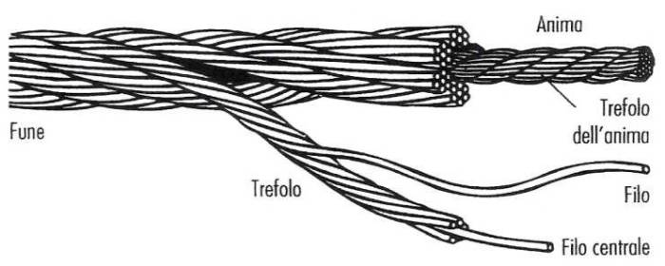
φ
Wire Rope
Core
Wire
Center wire
Strand
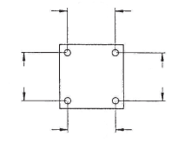
s
s
s
s
Features of the structure
 |  |  |  |  |  |  | Post Foundation |  |  |  |  | Ropes
 |  |  |  |  |  |  |  |  |  |  |  |  |  | mm
 |  |  |  |  |  |  |  |  |  |  |  | Longitudinal Ropes |  | 0
 |  |  |  |  |  |  |  |  | cm | 35 |  | Retaining Ropes |  | 15
 |  |  |  |  |  |  |  |  |  |  |  | Other Ropes |  | 0
 |  |  |  |  |  |  |  |  |  |  |  |  |  |  |  |  | Check |  | Barrier ID |  | 1
 |  |  |  |  |  |  |  |  |  |  |  |  | Primary Net |  |  |  | Structure | h | 4 |  | m
 |  |  |  |  |  |  |  |  | n° | 4 |  |  |  |  |  |  |  | as | 6 |  | m | A | 240 |  | m2
 |  |  |  |  |  |  |  | mm | f | 20 |  |  | Type |  | RHOMBOHEDRAL |  |  | n° | 10
 |  |  |  |  |  |  | Posts |  |  |  |  |  | fwire |  | 8 | mm | Net | Primary Net |  | RHOMBOHEDRAL |  |  | fwire | 8 | mm
 | 6 | m | n° | 10 |  |  |  |  |  |  |  |  | dnet ring |  | 300 | mm |  |  |  |  |  |  | dring | 300 | mm
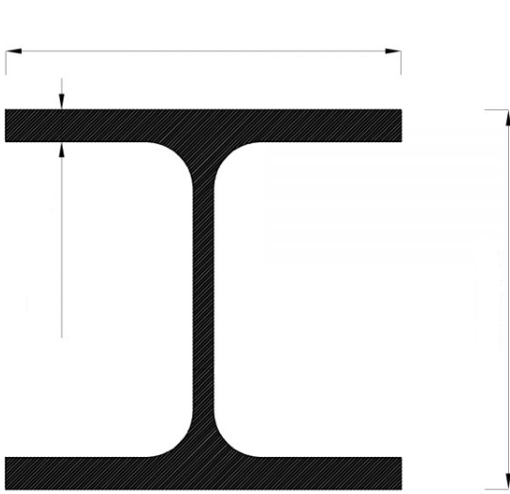
l
h
d
 |  |  |  |  |  |  |  |  |  |  |  |  |  |  |  |  |  | Secondary Net |  |  | NO
 |  |  |  |  |  |  |  |  |  |  |  |  |  |  |  |  | Posts | Beam Type |  |  | BEAM
 |  |  |  |  |  |  |  |  |  |  | 19 | cm |  |  |  |  |  | f | 20 |  | cm | ∕ | l | 0 | cm
 |  |  |  |  |  |  |  |  |  |  |  |  |  |  |  |  |  | h | 19.5 |  | cm
 |  |  |  |  | height (h) |  |  |  |  |  | 19.5 | cm |  |  |  |  |  | l | 19 |  | cm
 |  |  |  |  | 4 | m |  |  |  |  |  |  |  |  |  |  |  | d | 1 |  | cm
 |  |  |  |  |  |  |  |  |  |  | 1 | cm |  |  |  |  | Post Foundations | f | 20 |  | mm
 |  |  |  |  |  |  |  |  |  |  |  |  |  |  |  |  |  | s | 35 |  | cm

φ
 |  |  |  |  |  |  |  |  |  |  |  |  |  |  |  |  |  | n° | 4
 |  |  |  |  |  |  |  |  |  |  | 0 | cm |  |  |  |  | LR | Brakes |  |  | NO
 |  |  |  |  |  |  |  |  |  |  |  |  |  |  |  |  |  | f | 0 |  | mm
 |  |  |  |  |  |  |  |  | l |  | 0 | cm |  |  |  |  | RR | Brakes |  |  | YES
 |  |  |  |  |  |  |  |  |  |  |  |  |  |  |  |  |  | f | 15 |  | mm
 |  |  |  |  |  |  |  |  |  |  |  |  |  |  |  |  | OR | NO |  |  |  |  | Energy Level
 |  |  |  |  |  |  |  |  |  |  |  |  |  |  |  |  |  | Brakes |  |  | NO |  | NN |  | kJ
 |  |  |  |  |  |  |  |  |  |  |  |  |  |  |  |  |  | f | 0 |  | mm

Classification
Component | ID | Ideal Weight | Presence | Actual Weight | Damage | Class | Max Damage |  |  |  | Weight
Primary net | A1 | 5 | YES | 5 | 5 | L2 | 10 |  |  |  | 1 | 3 | 5
 | A2 | 5 | YES | 5 | 10 | L3 | 10 |  | Value | 0 | 0 | 0 | 0 |  | T | 30%
 | A3 | 3 | YES | 3 | 6 | L2 | 6 |  |  | 1 | 1 | 3 | 5 |  | n | 2
 | A4 | 3 | YES | 3 | 3 | L2 | 6 |  |  | 2 | 2 | 6 | 10
 | A5 | 5 | YES | 5 | 0 | / | 10
 | A6 | 5 | YES | 5 | 0 | / | 10 |  |  |  | Count
Secondary net | B1 | 1 | NO | 0 | 0 | / | 0 |  | Component |  | L0 | L1 | L2 | L3 | MAX
Posts | C1 | 1 | YES | 1 | 2 | L1 | 2 | Barrier elements | Primary net |  | 2 | 0 | 3 | 1 | 6
 | C2 | 5 | YES | 5 | 10 | L3 | 10 |  | Secondary net |  | 0 | 0 | 0 | 0 | 0
 | C3 | 3 | YES | 3 | 6 | L2 | 6 |  | Posts |  | 0 | 1 | 1 | 1 | 3
Longitudinal Ropes (LR) | D1 | 5 | NO | 0 | 0 | / | 0 |  | Longitudinal Ropes (LR) |  | 0 | 0 | 0 | 0 | 0
 | D2 | 3 | NO | 0 | 0 | / | 0 |  | LR Brakes |  | 0 | 0 | 0 | 0 | 0
 | D3 | 3 | NO | 0 | 0 | / | 0 |  | Retaining Ropes (RR) |  | 3 | 0 | 2 | 1 | 6
 | D4 | 3 | NO | 0 | 0 | / | 0 |  | RR Brakes |  | 1 | 1 | 0 | 1 | 3
 | D5 | 5 | NO | 0 | 0 | / | 0 |  | Other Ropes (OR) |  | 0 | 0 | 0 | 0 | 0
 | D6 | 5 | NO | 0 | 0 | / | 0 |  | OR Brakes |  | 0 | 0 | 0 | 0 | 0
LR Brakes | D7a | 3 | NO | 0 | 0 | / | 0 | Slope | Access to the barrier |  | 1 | 0 | 0 | 0 | 1
 | D7b | 5 | NO | 0 | 0 | / | 0 |  | Slope conditions |  | 0 | 0 | 1 | 0 | 1
 | D7c | 1 | NO | 0 | 0 | / | 0 |  | Vegetation on the structure |  | 1 | 1 | 0 | 0 | 2 | Must be equal to:
Retaining Ropes (RR) | E1 | 5 | YES | 5 | 0 | / | 10 |  | TOT |  | 8 | 3 | 7 | 4 | 22 |  | 22
 | E2 | 3 | YES | 3 | 6 | L2 | 6 |  | % |  | 36% | 14% | 32% | 18% | 100% |  | 100%
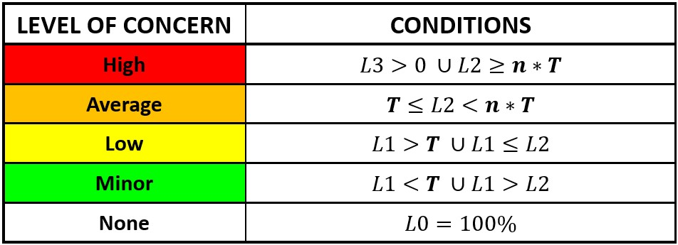
 | E3 | 3 | YES | 3 | 0 | / | 6
 | E4 | 3 | YES | 3 | 3 | L2 | 6
 | E5 | 5 | YES | 5 | 10 | L3 | 10
 | E6 | 5 | YES | 5 | 0 | / | 10
RR Brakes | E7a | 3 | YES | 3 | 0 | / | 6
 | E7b | 5 | YES | 5 | 10 | L3 | 10
 | E7c | 1 | YES | 1 | 1 | L1 | 2
Other Ropes (OR) | F1 | 5 | NO | 0 | 0 | / | 0
 | F2 | 1 | NO | 0 | 0 | / | 0
 | F3 | 1 | NO | 0 | 0 | / | 0
 | F4 | 1 | NO | 0 | 0 | / | 0
 | F5 | 3 | NO | 0 | 0 | / | 0
 | F6 | 3 | NO | 0 | 0 | / | 0 |  |  | Level of CONCERN |  |  |  | MCE
OR Brakes | F7a | 1 | NO | 0 | 0 | / | 0 |  |  | HIGH |  |  |  | B
 | F7b | 3 | NO | 0 | 0 | / | 0
 | F7c | 1 | NO | 0 | 0 | / | 0 |  |  | % of Defectiveness
Access to the barrier | G1 | 1 | YES | 1 | 0 | / | 2 |  |  | 49%
Slope conditions | H1 | 5 | YES | 5 | 0 | / | 10
 | H2 | 5 | YES | 5 | 5 | L2 | 10
Vegetation on the structure | I1 | 1 | YES | 1 | 1 | L1 | 2
 |  |  |  |  |  | SUM | 160

